1. Title Page
Grocery Basket Analysis

Project Name: Grocery Basket Analysis
Date: 17/01/25
Analyst Name: Sharnti Phillips

Contents:
Population Flow
Consistency checks
Wrangling steps
Column derivations
Visualizations
Recommendations

Data Source
“The Instacart Online Grocery Shopping Dataset 2017”, Accessed from www.instacart.com/datasets/grocery-shopping-2017 via Kaggle on 17/12/2024.
The customer data explored in this project, as well as the “prices” column in the products data set, were both fabricated for learning purposes.

2. Population Flow
Population flow

Exclusion flag
Condition: max_order < 5
Obervations to be removed: 1,440,295
Final total count of order_products_all: 30,964,564

Orders_products_combined
Orders_products_merged
Orders_products_all

Total: 32,404,859
Total: 32,434,489
Total:
32,404,859

1.) The grey boxes in the first row of the population flow represent the original data sets as they were when you downloaded them. In the Total fields you need to add the count of the rows when you imported the data set into Jupyter.
2.) The second row of boxes (coloured) represents the data sets after you manipulated them, e.g., removed missing values and duplicates. In the Total fields you need to add the count of the rows after conducting these operations. This offers a visual oveview of how the data flows throughout the data consistency checks.
3.) The third row, where also the arrows are coloured, represents the merges you performed between the datasets. In the Total fields you need to add the count of the rows in the merged datasets, so that you end up with the final dataset (in the red box). Keep in mind the final dataset should be without exclusions (based on the exclusion flag).

3. Consistency checks
Consistency checks

Dataset | Missing values | Missing values treatment | Duplicates
orders | 206,209 missing values (days_since_prior_order) | Missing values have been retained | No duplicates found
products | 16 missing values (product_name) | Subset created with non-missing values | 5 duplicates found, deleted
orders_products_prior | None | None | No duplicates found
customers | None | None | No duplicates found
custs_ords_prods_combined | prices over $100 marked as missing | Changed to Nan

5. Column derivations
Column derivations and aggregations

Dataset | New column | Column/s it was derived from | Conditions
orders_checked | first_order | days_since_prior_order | IF days_since_prior_order = NA THEN True IF ELSE THEN False
ords_prods_merge_derived.pkl | price_range_loc | prices | IF prices > 15 THEN High-range product IF prices <= 15 AND > 5 THEN Mid-range product IF prices <= 5 THEN Low-range product
ords_prods_merge_derived.pkl | busiest_day | orders_day_of_week | IF orders_day_of_week = 0 THEN Busiest day IF orders_day_of_week = 4 THEN Least busy IF ELSE THEN Regularly busy
ords_prods_merge_derived.pkl | busiest_days | orders_day_of_week | IF orders_day_of_week IN 0,1 THEN Busiest day IF orders_day_of_week IN 4,3 THEN Least busy IF ELSE THEN Regularly busy
ords_prods_merge_derived.pkl | busiest_period_of_day | order_hour_of_day | IF order_hour_of_day IN [10, 11, 14, 15, 13, 12, 16, 9] THEN Most orders IF order_hour_of_day IN [3, 4, 2, 5, 1, 0, 6, 23] THEN Fewest orders IF ELSE THEN Average orders
ords_prods_merge_grouped.pkl | loyalty_flag | max_order | IF max_order > 40 THEN Loyal customer IF max_order <= 40 AND max_order > 10 THEN Regular customer IF max_order <= 10 THEN New customer
ords_prods_merge_grouped.pkl | spender_flag | avg_price | IF avg_price < 10 THEN Low spender IF avg_price >= 10 THEN High customer
ords_prods_merge_grouped.pkl | frequency_flag | median_days_since_prior_order | IF median_days_since_prior_order > 20 THEN Non-frequent customer IF median_days_since_prior_order <= 20 AND median_days_since_prior_order > 10 THEN Regular customer IF median_days_since_prior_order <= 10 THEN Frequent customer
anon_custs_ords_prods_combined | region | state | IF state isin 'Maine','New Hampshire','Vermont','Massachusetts', 'Rhode Island','Connecticut','New York','Pennsylvania','New Jersey' THEN 'Northeast' IF state isin 'Wisconsin','Michigan','Illinois','Indiana','Ohio', 'North Dakota','South Dakota','Nebraska','Kansas','Minnesota', 'Iowa','Missouri' THEN 'Midwest' IF state isin 'Delaware','Maryland','District of Columbia','Virginia','West Virginia','North Carolina','South Carolina','Georgia', 'Florida','Kentucky','Tennessee','Mississippi','Alabama', 'Oklahoma','Texas','Arkansas','Louisiana' THEN 'South' IF state isin 'Idaho','Montana','Wyoming','Nevada','Utah','Colorado','Arizona','New Mexico','Alaska','Washington','Oregon', 'California','Hawaii' THEN 'West'
anon_custs_ords_prods_combined | order_activity | max_order | IF max_order < 5 THEN Low Activity IF max_order >= 5 THEN Normal Activity
anon_custs_ords_prods_combined | income_group | income | IF income < 47151 THEN Low IF income >= 47151 AND < 100526 THEN Low-Middle IF income >= 100526 AND < 191951 THEN Upper-Middle IF income >= 191951 THEN High
anon_custs_ords_prods_combined | age_group | age | IF age < 25 THEN Young Adult IF age >= 25 AND < 45 THEN Adult IF age >= 45 AND < 65 THEN Middle-Aged IF age >= 65 THEN Senior
anon_custs_ords_prods_combined | parent_flag | num_dependants | IF num_dependants = 0 THEN Not a Parent IF num_dependants > 0 THEN Parent
anon_custs_ords_prods_combined | parent_age_group | age AND num_dependants | IF num_dependants = 0 THEN Not a Parent IF age < 25 AND num_dependants > 0 THEN Young Parent IF age >= 25 AND < 45 AND num_dependants > 0 = Adult Parent IF age >= 45 AND < 65 AND num_dependants > 0 THEN Middle-Aged Parent IF age >= 65 AND num_dependants > 0 THEN Senior Parent

first_order
False 29303281
True 1661283
Name: count, dtype: int64
loyalty_flag
Regular customer 15876776 Loyal customer 10284093 New customer 4803695 Name: count, dtype: int64
order_activity
Normal Activity 30964564 Name: count, dtype: int64
age_group
Middle-Aged 9690051
Adult 9663775
Senior 8195544
Young Adult 3415194
Name: count, dtype: int64

income_group
Low-Middle 14058243
Upper-Middle 13731499
Low 2906878
High 267944
Name: count, dtype: int64
price_range_loc
Mid-range product 20891771 Low-range product 9674840 High-range product 397953 Name: count, dtype: int64
spender_flag
Low spender 30361139
High customer 603425
Name: count, dtype: int64

busiest_day
Regularly busy 21430960 Busiest day 5908610 Least busy 3624994 Name: count, dtype: int64
frequency_flag
Frequent customer 21204476
Regular customer 6865113
Non-frequent customer 2894975
Name: count, dtype: int64
parent_flag
Parent 23224883
Not a Parent 7739681
Name: count, dtype: int64

busiest_days
Regularly busy days 12349739 Busiest days 11320296 Least busy days 7294529 Name: count, dtype: int64
parent_age_group
Not a Parent 7739681
Middle-Aged Parent 7238740 Adult Parent 7222873
Senior Parent 6173586
Young Parent 2589684
Name: count, dtype: int64
region
South 10311139
West 7927227
Midwest 7261513
Northeast 5464685
Name: count, dtype: int64

busiest_period_of_day
Most orders 20180856 Average orders 9550810 Fewest orders 1232898 Name: count, dtype: int64

4. Wrangling steps
Wrangling steps

Columns dropped | Columns renamed | Columns' type changed | Comment/Reason
eval_set |  |  | Column wasn't required as part of this analysis.
 |  | user_id changed from numeric to string | As this is an ID column, we don't require it to be numeric.
 |  | order_id changed from numeric to string | As this is an ID column, we don't require it to be numeric.
 | order_dow to orders_day_of_week |  | Renamed for clarity.
 | First Name to first_name |  | Mainting existing naming convention with lower case.
 | Surnam to last_name |  | Mainting existing naming convention with underlines.
 | Gender to gender |  | Mainting existing naming convention with underlines.
 | STATE to state |  | Mainting existing naming convention with lower case.
 | Age to age |  | Mainting existing naming convention with lower case.
 |  | first_name changed from mixed to string.
_merge |  |  | Dropped after merges
_match |  |  | Dropped after merges

6. Visualizations

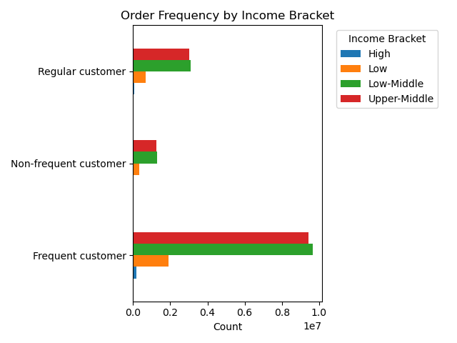
Visualisations

Question 1
Sales Team: What are the busiest days of the week and hours of the day?

Commentary
The busiest days of the week are the weekend (Saturday and Sunday). The least busy days occur in the middle of the week (Tuesday and Wednesday).
The busiest hours of the day are between 9am and 4pm.

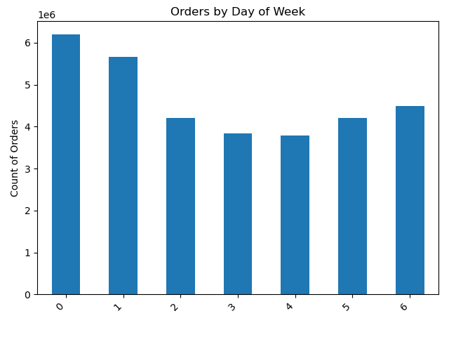

Question 2
Sales Team: Are there particular times of day when people spend the most money?

Commentary
People tend to spend more in the early hours of the morning, between 3am and 8am.
People also tend to spend the most on a Saturday or Friday.
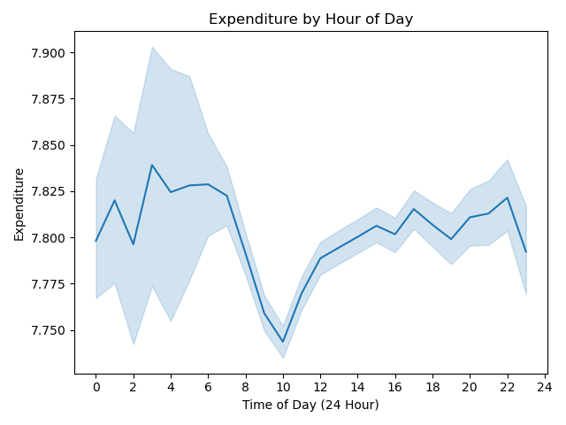
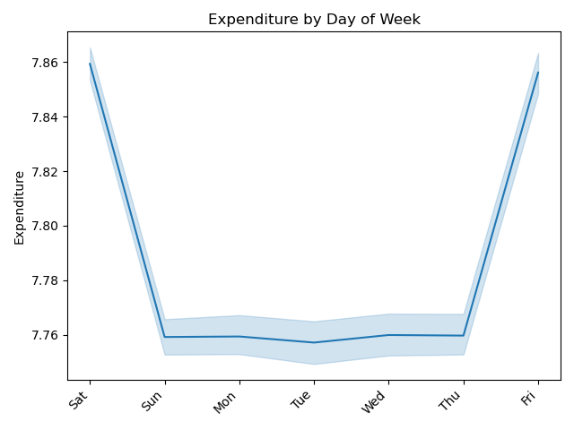

Question 3
Marketing and Sales Team: Are there certain products that are more popular than others?

Commentary
Produce is the highest selling product category, followed by dairy & eggs and snacks.
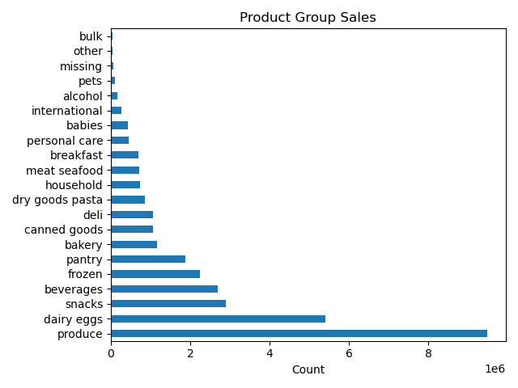

Question 4
Marketing and Sales Team: What is the distribution among users in regards to their brand loyalty (i.e. how often they return to Instacart?).

Commentary
Using the frequency flag created (see column derivations for conditions), we can see that most customers order frequently.
The histogram (which excludes first-time customers) shows that customers typcially reorder either on a weekly or monthly basis.

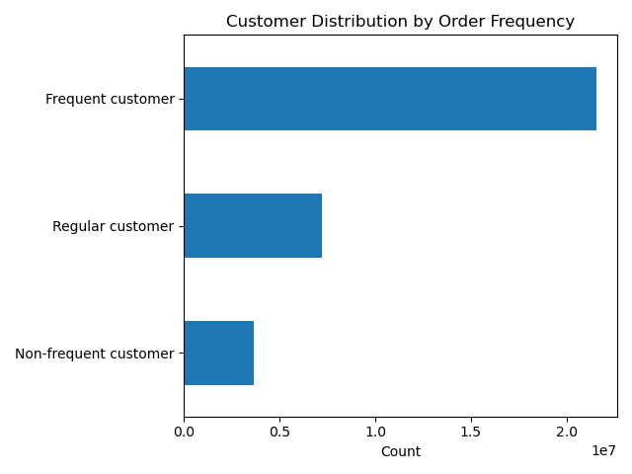
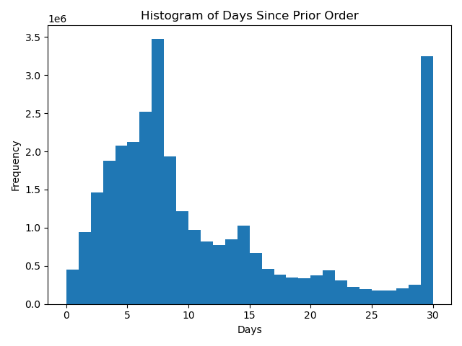

Question 5
Marketing and Sales Team: Are there differences in ordering habits based on a customer's loyalty status?

Commentary
Ordering habits appear to be fairly stable across loyalty types; there are more low spenders in all loyalty types than high-spending customers.

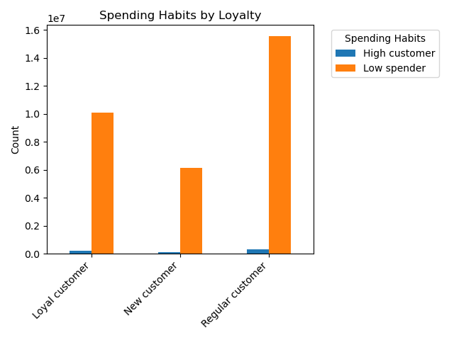

Question 6
Marketing and Sales Team: Are there differences in ordering habits based on a customer's region?

Commentary
Again, ordering habit trends seem to be fairly stable across regions. This holds for both customer spending habits as well as the types of products ordered.

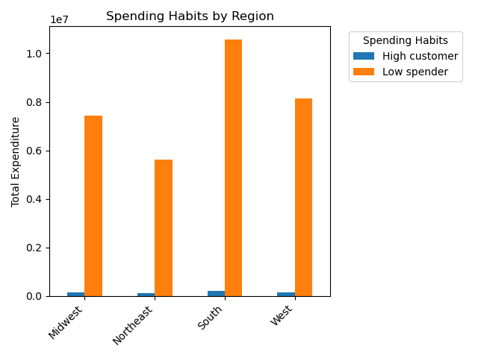


Question 7
Marketing and Sales Team: Is there a connection between age and family status and ordering habits?

Commentary
Parents aged between 25 and over make up the majority of each frequency group. Frequent customers are more likely to be a parent aged between 25-65 years old.

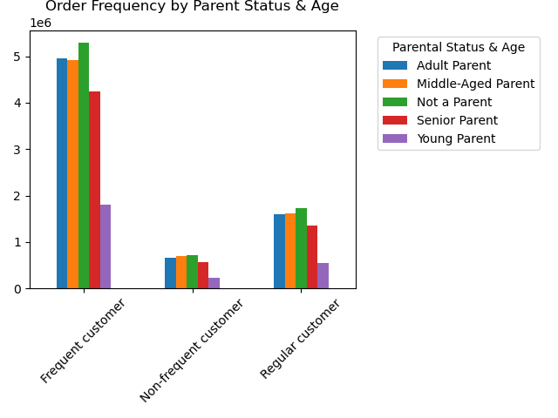
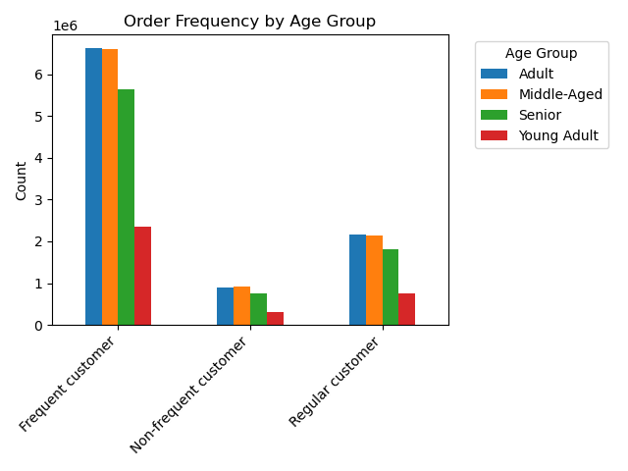
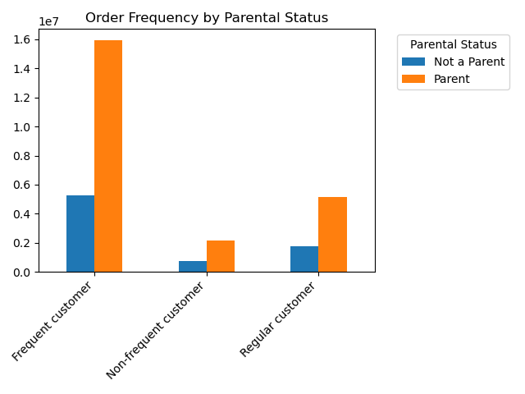

Question 8
Marketing and Sales Team: What different classifications does the demographic information suggest? Age? Income? Certain types of goods? Family status?

Commentary
The majority of customers have at least one dependant child and middle-income earners.


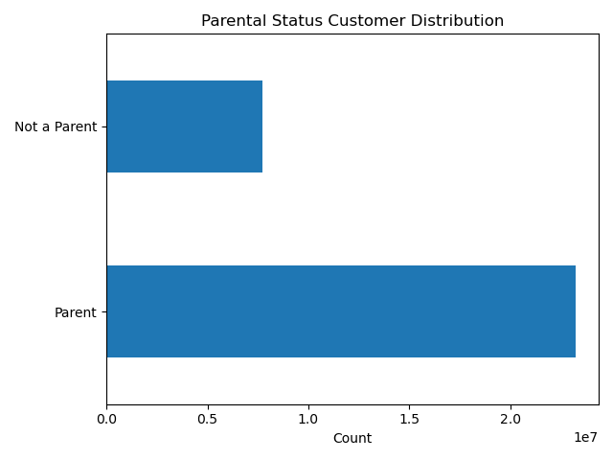
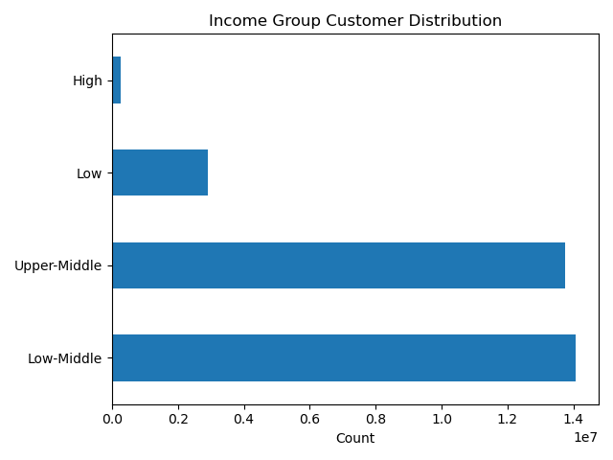

Question 8
Marketing and Sales Team: What differences can you find in ordering habits of different customer profiles? Consider the price of orders, the frequency of orders, the products customers are ordering, and anything else you can think of.

Commentary
As mentioned earlier, most customers are parents, aged between 25-65 and are middle-income earners.

7. Recommendations
Recommendations

Number | Question | Answer | Recommendation
1 | What are the busiest days of the week and hours of the day? | The busiest days of the week are Saturday and Sunday. The least busy days are Tuesdays and Wednesdays. Most orders are placed between | Mid-week promotions could help encourage shopping on the least busy days.
2 | Are there particular times of day when people spend the most money? | Sales are highest between 3am - 8am and 5pm - 11pm. | Sales are fairly stable through-out the day (despite a few time periods with increased shopping). No recommendations for time-based promotions.
3 | Are there certain products that are more popular than others? | Produce is the highest selling product range, followed by Dairy/Eggs and then Snacks. | Less popular products ranges (such as breakfast or bakery) could be promoted in conjunction with these popular products (i.e. Buy 1L milk and get a muffin 1/2 price).
4 | Are there differences in ordering habits based on loyalty status? | Most customers, regardless or loyalty, are considered to be low spenders. | It should be mentioned that although most Instacart customers are low-spenders, they are also frequent-spenders, with most placing an order at least on a weekly basis (if not sooner!). Frequent shopping makes sense, given that many customers are buying fresh produce. However, instacart may want to aim to increase the overall value of an order by encouraging customers to stock up on items with a long shelf-life. Promotions on these types of product ranges (i.e. pet, babies, dry good pasta etc) alongside a minimum spend for free delivery (i.e. spend over $200) could help increase the basket value and help recover delivery costs.
5 | Are there differences in ordering habits based on region? | Customers in the Southern and Western Regions have the largest absolute sales of produce, snacks and dairy/eggs. Looking at the shape of the graphs, however, I believe this difference would not hold true with relative numbers. It is likely a variation simply due to the West and South having larger populations. | I would not recommend any targeted promotions based on region.
6 | What is the distribution among users as to how often they return to Instacart? | Most customers return frequently to Instacart, with many placing an order on a weekly basis (or sooner!). | As customers purchase frequently, promotional periods should be no longer than 7 days, and ideally shorter. It would be good to time promotions for the slower, mid-week days, to help spread the shopping period more evenly over the week.
7 | Is there a connection between age and family status and ordering habits? | Most customers are parents, aged between 25-65. They represent the large chunk of frequent customers (but also of regular and non-frequent as well). | Most people who order frequently have at least 1 dependant. Promotions targeted at frequent shoppers could therefore be based around bulk-buys for the family OR include discounts off chocolates/sweets that are popular with kids.
8 | What different classifications does the demographic information suggest? Age? Income? Certain types of goods? Family status? | The demographic information suggests that most customers are aged over 25, with most of them aged between 25-65. Most customers are middle-income earners. And most customers have at least one dependant child. | Middle-income earners with dependants are likely to be receptive to promotions BUT also have enough income to splurge on the occasional treat. Promtions should be built around bulk buys and discounted 'treats' such as chocolate, cosmetics, chips, frozen meals etc.
9 | What differences can you find in ordering habits of different customer profiles? Consider the price of orders, the frequency of orders, the products customers are ordering, and anything else you can think of. | Middle-income earners are likely to be frequent orderers. Produce, Dairy/Eggs and Snacks are popular across all age groups | See other recommendations above.

